Blad1
Variety | Amount | Tray | From week | Royalty | Label
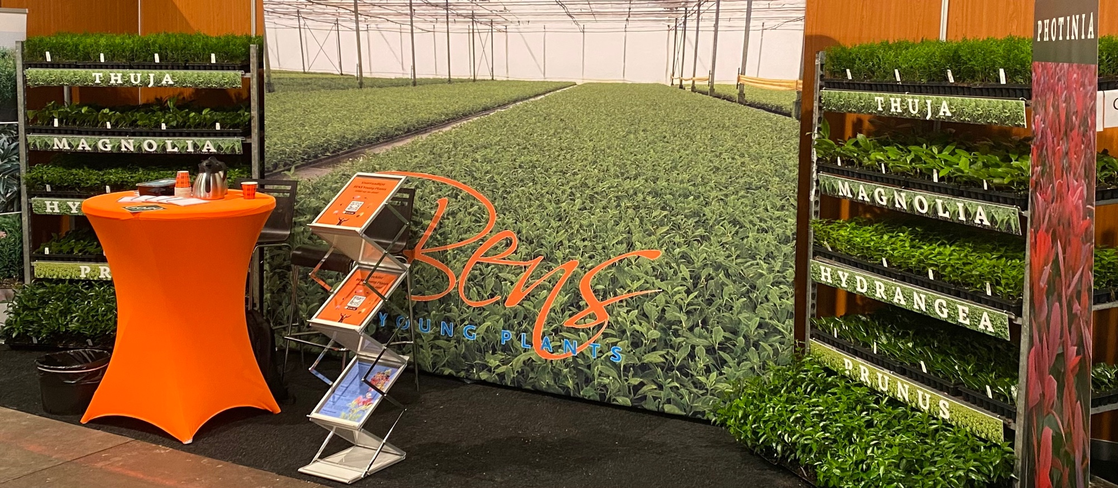

Veenweg 2
9611 TK Sappemeer
Nederland
https://en.bensyoungplants.nl

Stocklist BENS Young Plants 2027

Variety | Amount | Tray | From week | Royalty | Label

Hydrangea pan. 'Angels Blush' | 0 | 104
Hydrangea pan. Bonfire ('GRHP12'PBR) | 10,000 | 104 | 20/2027 | € 0.40 | € 0.12
Hydrangea pan. 'Bombshell'PBR | 1,000 | 104 | 20/2027 | € 0.40 | € 0.12
Hydrangea pan. Baby Lace ('PIIHP1'PBR) | 0 | 104 |  | € 0.50 | € 0.12
Hydrangea pan. Candlelight® ('HPOPR013'PBR) | 10,000 | 104 | 20/2027 | € 0.30 | € 0.12
Hydrangea pan. Confetti ('Vlasveld02'PBR) | 2,000 | 104 | 20/2027 | € 0.30 | € 0.12
Hydrangea pan. 'Dharuma' | 0 | 104
Hydrangea pan. ('HPOPR018'PBR) 'Early Harry' | 0 | 104 |  | € 0.30 | € 0.12
Hydrangea pan. Graffiti ('Rou201406'PBR) | 1,500 | 104 | 20/2027 | € 0.30 | € 0.12
Hydrangea pan. 'Grandiflora' | 500 | 104 | 20/2027
Hydrangea pan. 'Great Escape' | 0 | 104
Hydrangea pan. Hercules ('GRHP14'PBR) | 0 | 104 |  | € 0.40 | € 0.12
Hydrangea pan. 'Kyushu' | 0 | 104
Hydrangea pan. 'Limelight'PBR | 15,000 | 104 | 20/2027 | € 0.40 | € 0.12
Hydrangea pan. Little Fresco ('ROU201306'PBR) | 1,000 | 104 | 20/2027 | € 0.30 | € 0.12
Hydrangea pan. Little Spooky ('GRHP08'PBR) | 0 | 104 |  | € 0.30 | € 0.12
Hydrangea pan. 'Magical Andes'PBR | 1,500 | 104 | 20/2027 | € 0.40 | € 0.21
Hydrangea pan. 'Magical Candle'PBR | 6,500 | 104 | 20/2027 | € 0.40 | € 0.21
Hydrangea pan. 'Magical Himalaya'PBR | 0 | 104 |  | € 0.40 | € 0.21
Hydrangea pan. 'Magical Kilimanjaro'PBR | 2,000 | 104 | 20/2027 | € 0.40 | € 0.21
Hydrangea pan. 'Magical Lime Sparkle'PBR | 2,000 | 104 | 20/2027 | € 0.40 | € 0.21
Hydrangea pan. 'Magical Matterhorn'PBR | 3,000 | 104 | 20/2027 | € 0.40 | € 0.21
Hydrangea pan. 'Magical Mont Blanc'PBR | 2,000 | 104 | 20/2027 | € 0.40 | € 0.21
Hydrangea pan. 'Magical Monte Nova'PBR | 1,000 | 104 | 20/2027 | € 0.40 | € 0.21
Hydrangea pan. 'Magical Mount Fuji'PBR | 0 | 104 |  | € 0.40 | € 0.21
Hydrangea pan. 'Magical Summer'PBR | 2,000 | 104 | 20/2027 | € 0.40 | € 0.21
Hydrangea pan. 'Magical Vesuvio'PBR | 0 | 104 |  | € 0.40 | € 0.21
Hydrangea pan. 'Mega Pearl' | 500 | 104 | 20/2027
Hydrangea pan. Minty Spirit ('COUHAMINT'PBR) | 0 | 104 |  | € 0.40 | € 0.12
Hydrangea pan. Mojito ('GRHP10'PBR) | 4,800 | 104 | 20/2027 | € 0.30 | € 0.12
Hydrangea pan. 'Papillon' | 0 | 104
Hydrangea pan. Peace ('DS38'PBR) | 20,000 | 104 | 20/2027 | € 0.30 | € 0.12
Hydrangea pan. 'Pee Wee' | 0 | 104
Hydrangea pan. 'Phantom' | 0 | 104
Hydrangea pan. 'Pink Diamond' | 0 | 104
Hydrangea pan. 'Pink Lady' | 2,500 | 104 | 20/2027
Hydrangea pan. Pink & Rose ('LC NO14'PBR) | 29,000 | 104 | 20/2027 | € 0.40 | € 0.12
Hydrangea pan. 'Polar Bear'PBR | 14,000 | 104 | 20/2027 | € 0.40 | € 0.12
Hydrangea pan. Pixio ('GRHP11'PBR) | 5,000 | 104 | 20/2027 | € 0.40 | € 0.12
Hydrangea pan. Prim'White® ('Dolprim'PBR) | 0 | 104 |  | € 0.30 | € 0.12
Hydrangea pan. Red Velvet ('LCN019'PBR) | 0 | 104 |  | € 0.40 | € 0.12
Hydrangea pan. Ruby Hobbit ('COUHACINQ'PBR) | 12,500 | 104 | 20/2027 | € 0.30 | € 0.12
Hydrangea pan. 'Silver Dollar' | 5,000 | 104 | 20/2027
Hydrangea pan. Skyfall ('Frenne'PBR) | 10,000 | 104 | 20/2027 | € 0.40 | € 0.12
Hydrangea pan. 'Tardiva' | 0 | 104
Hydrangea pan. 'Unique' | 0 | 104
Hydrangea pan. 'White Goliath' | 1,500 | 104 | 20/2027
Hydrangea pan. 'White Lady' | 0 | 104
Hydrangea pan. 'Wim's Red'PBR | 1,500 | 104 | 20/2027 | € 0.30 | € 0.12

Magnolia 'Betty' | 6,000 | 104 | 16/2027
Magnolia 'Galaxy' | 0 | 104
Magnolia 'G.H. Kern' | 10,000 | 104 | 16/2027
Magnolia 'Lennei' | 2,000 | 104 | 16/2027
Magnolia lilliflora 'Nigra' | 0 | 104
Magnolia loebn. 'Leonard Messel' | 2,000 | 104 | 16/2027
Magnolia loebn. 'Merrill' | 3,000 | 104 | 16/2027
Magnolia 'Ricki' | 3,500 | 104 | 16/2027
Magnolia 'Susan' | 25,000 | 104 | 16/2027
Magnolia soulangeana | 10,000 | 104 | 16/2027
Magnolia soulangeana 'Alba Superba' | 0 | 104
Magnolia soulangeana 'Rustica Rubra' | 0 | 104
Magnolia 'Speciosa' | 0 | 104
Magnolia stellata | 6,000 | 104 | 16/2027
Magnolia stellata 'Rosea' | 8,000 | 104 | 16/2027
Magnolia stellata 'Royal Star' | 4,000 | 104 | 16/2027
Magnolia stellata 'Waterlily' | 3,000 | 104 | 16/2027

Photinia fras. 'Camilvy' | 0 | 104
Photinia fras. 'Carre Rouge' | by request | 104 | 16/2027
Photinia fras. 'Louise' ('McLarlou'PBR) | by request | 104 | 16/2027 | € 0.30 | € 0.12
Photinia fras. 'Little Fenna'PBR | by request | 104 | 16/2027 | € 0.35 | € 0.12
Photinia fras. 'Red Robin' | 20,000 | 104 | 16/2027

Prunus laur. 'Antonius'PBR | by request | 104 | 16/2027 | € 0.20 | € 0.12
Prunus laur. 'Caucasica' | 25,000 | 104 | 16/2027
Prunus laur. Elly® ('Verstra'PBR) | by request | 104 | 16/2027 | € 0.20 | € 0.12
Prunus laur. Etna® ('Anbri'PBR) | 10,000 | 104 | 16/2027 | € 0.18 | € 0.12
Prunus laur. Genolia ('Mariblon'PBR) | 10,000 | 104 | 16/2027 | € 0.20 | € 0.12
Prunus laur. 'Novita' | 50,000 | 104 | 16/2027
Prunus laur. 'Rotundifolia' | 30,000 | 104 | 16/2027
Prunus lusitanica 'Angustifolia' | by request | 104 | 16/2027
Prunus lusitanica 'Brenelia'PBR | 10,000 | 104 | 16/2027 | € 0.39 | € 0.12
Prunus lusitanica 'Variegata' | by request | 104 | 16/2027

• Minimum order quantity is 500 units per variety.
• We work exclusively with our own mother plants.
• Orders for the next season will be accepted starting July 1st.
• Quantities subject to successful propagation and overwintering.
• Label prices may fluctuate depending on our suppliers.
• Please schedule call-offs at least two working days in advance.
• Complaints must be reported within 3 days of delivery.

